Request
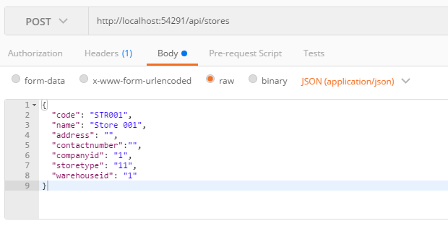
Parameter | Data Type | Length | Required | Unique | Remarks
Token | String |  | Yes |  | Bearer Token see AuthenticateAPI docu
Code | String |  | Yes | Yes
Name | String |  | Yes
Address | String
ContactNumber | String
CompanyId | Int |  | Yes
WarehouseId | Int |  | Yes

Example

Response
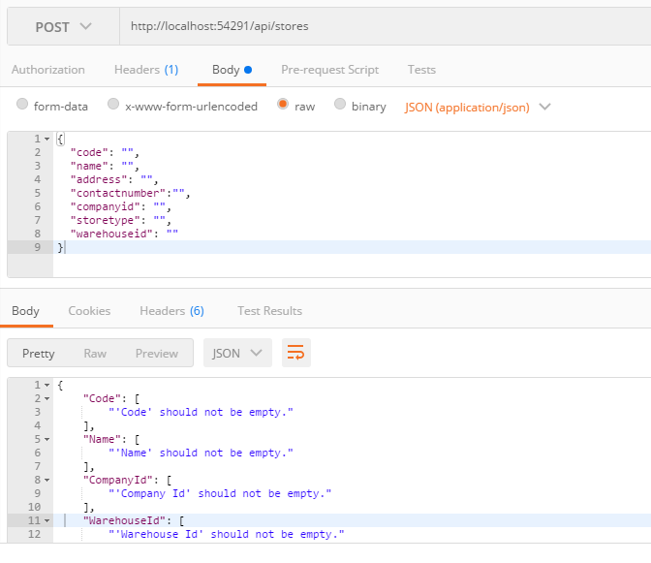
With error

